Data
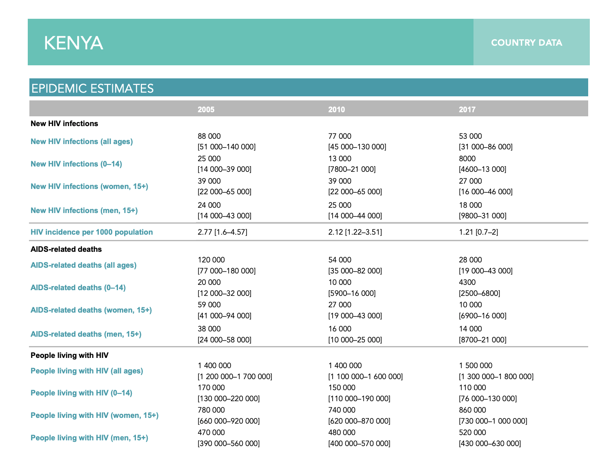
Country factsheets
KENYA | 2019
HIV and AIDS Estimates
Adults and children living with HIV | 1 500 000 [1 300 000 - 1 700 000]
Adults aged 15 and over living with HIV | 1 400 000 [1 200 000 - 1 600 000]
Women aged 15 and over living with HIV | 880 000 [770 000 - 1 000 000]
Men aged 15 and over living with HIV | 510 000 [450 000 - 600 000]
Children aged 0 to 14 living with HIV | 110 000 [85 000 - 140 000]
Adult aged 15 to 49 HIV prevalence rate | 4.5 [4.0 - 5.2]
Women aged 15 to 49 HIV prevalence rate | 5.8 [5.0 - 6.7]
Men aged 15 to 49 HIV prevalence rate | 3.2 [2.6 - 3.6]
HIV prevalence among young women | 2.4 [1.4 - 3.3]
HIV prevalence among young men | 1.3 [0.9 - 1.8]
Adults and children newly infected with HIV | 42 000 [27 000 - 65 000]
Adults aged 15 and over newly infected with HIV | 35 000 [22 000 - 55 000]
Women aged 15 and over newly infected with HIV | 22 000 [14 000 - 33 000]
Men aged 15 and over newly infected with HIV | 13 000 [8300 - 21 000]
Children aged 0 to 14 newly infected with HIV | 6800 [4100 - 11 000]
HIV incidence per 1000 population (adults 15-49) | 1.47 [0.94 - 2.28]
HIV incidence per 1000 population (all ages) | 0.92 [0.60 - 1.44]
Adult and child deaths due to AIDS | 21 000 [16 000 - 31 000]
Deaths due to AIDS among adults aged 15 and over | 17 000 [13 000 - 24 000]
Deaths due to AIDS among women aged 15 and over | 7300 [5500 - 11 000]
Deaths due to AIDS among men aged 15 and over | 9400 [6800 - 14 000]
Deaths due to AIDS among children aged 0 to 14 | 4300 [2300 - 7300]
Orphans due to AIDS aged 0 to 17 | 660 000 [480 000 - 880 000]
Epidemic transition metrics
Percent change in new HIV infections since 2010 | -44
Percent change in AIDS-related deaths since 2010 | -59
Incidence : prevalence ratio | 2.77
Incidence : mortality ratio | 1.30
HIV testing and treatment cascade
People living with HIV | 1 500 000 [1 300 000 - 1 700 000]
People living with HIV who know their status | 1 400 000
Percent of people living with HIV who know their status | 90 [79 - >95]
People living with HIV who are on ART | 1 100 000
Percent of people living with HIV who are on ART | 74 [65 - 86]
People living with HIV who have suppressed viral loads | 1 000 000
Percent of people living with HIV who have suppressed viral loads | 68 [60 - 79]
Antiretroviral therapy (ART)
Coverage of adults and children receiving ART (%) | 74 [65 - 86] |  | ^ 2018 UNAIDS data: https://www.unaids.org/sites/default/files/media_asset/unaids-data-2018_en.pdf
Adults aged 15 and over receiving ART | 75 [66 - 87]
Women aged 15 and over receiving ART | 80 [70 - 93]
Men aged 15 and over receiving ART | 65 [57 - 76]
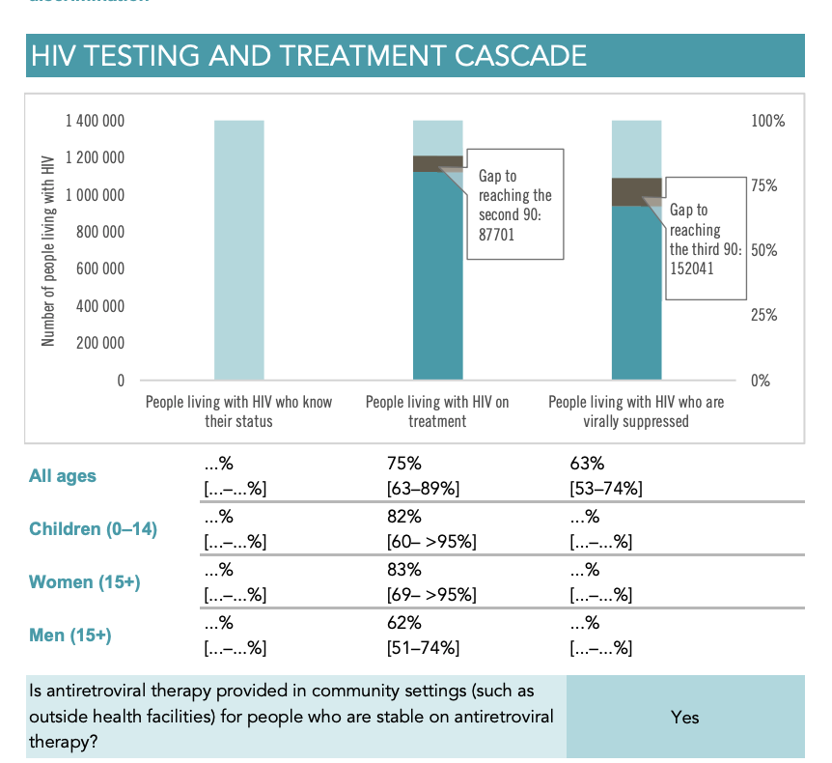
Children aged 0 to 14 receiving ART | 63 [48 - 79]
Number of adults and children receiving ART (#) | 1 112 254
Adults aged 15 and over receiving ART | 1 042 164
Women aged 15 and over receiving ART | 710 993
Men aged 15 and over receiving ART | 331 171
Children aged 0 to 14 receiving ART | 70 090
Elimination of mother-to-child transmission
Coverage of pregnant women who receive ARV for PMTCT (%) | 94 [73 - >95]
Pregnant women who received ARV for PMTCT (#) | 59 304
Pregnant women needing ARV for PMTCT (#) | 63 000 [49 000 - 76 000]
Early infant diagnosis (%) | 69 [57 - 89]
Final vertical transmission rate including during breastfeeding | 10.80 [7.88 - 14.66]
New HIV infections averted due to PMTCT (%) | 12 000 [7200 - 20 000]
Number of HIV-exposed children who are uninfected | 840 000 [680 000 - 970 000]
Sex workers
Population size estimate (#) | 167 900 | Region: 34 counties in Kenya ; Method: Programmatic mapping
HIV prevalence (%) | 29.3 | Source: Integrated Behavior and Biological Survey study conducted in Nairobi - 2011.
HIV testing and status awareness (%) | 95.5 | Source: Polling Booth Survey 2017
Antiretroviral therapy coverage (%) | 73 | Source: Polling Booth Survey 2017
Condom use (%) | 92 | Source: Polling Booth Survey 2017
Men who have sex with men
Population size estimate (#) | 32 600 | Region: 30 couties; Method: Programmatic mapping
HIV prevalence (%) | 18.2 | Source: Integrated Biological and Behavior Survey in Nairobi - 2010
Antiretroviral therapy coverage (%) | 62.8 | Source: Polling Booth Survey 2017
Condom use (%) | 54.9
People who inject drugs
Population size estimate (#) | 16 000
HIV prevalence (%) | 18.3 | Source: UNODC IDU study 2011 conducted in Coast and Nairobi
HIV testing and status awareness (%) | 94 | Source: Polling Booth Survey
Antiretroviral therapy coverage (%) | 67.6 | Source: Polling Booth Survey 2017
Condom use (%) | 75.9 | Source: Polling Booth Survey 2017
Safe injecting practices (%) | 88.4 | Source: Poll booth survey 2017
Needles and syringes distributed per person who injects drugs (#) | 137
Coverage of opioid substitution therapy | 26.4 | Source: NASCOP KP Programme Data
Transgender people
Population size estimate (#) | 4300 | Region: 31 counties; Method: Programmatic mapping;
Combination prevention
People receiving pre-exposure prophylaxis (PrEP) (#) | 54 498
Condom use at last high-risk sex among adults aged 15 to 49 (%) | 43.9 | Source: DHS 2014
- Condom use at last high-risk sex among women aged 15 to 49 (%) | 40.0 | Source: DHS 2014
- Condom use at last high-risk sex among men aged 15 to 49 (%) | 44.5 | Source: DHS 2014
Male circumcisions performed (#) | 191 863
Stigma and discrimination
Percentage of adults (15-49) who responded No to the question: Would you buy fresh vegetables from a shopkeeper or vendor if you knew that this person had HIV? | 11.9 | Source: 2014 DHS
Percentage of adults (15-49) who responded No to the question: Do you think that children living with HIV should be able to attend school with children who are HIV negative?
Percentage of adults (15-49) who responded No to both questions
Gender
Prevalence of recent intimate partner violence among women aged 15-49 (%) | 25.4 | Source: 2014 DHS
Prevalence of recent intimate partner violence among women aged 15-19 (%) | 23 | Source: 2014 DHS
Prevalence of recent intimate partner violence among women aged 20-24 (%) | 27.9 | Source: 2014 DHS
Prevalence of recent intimate partner violence among women aged 25-49 (%) | 25.1 | Source: 2014 DHS
Women aged 15-49 who have their demand for family planning satisfied by modern methods (%) | 70.8 | Source: 2014 DHS
Women aged 15-19 who have their demand for family planning satisfied by modern methods (%) | 53.8 | Source: 2014 DHS
Women aged 20-24 who have their demand for family planning satisfied by modern methods (%) | 68.2 | Source: 2014 DHS
Women aged 25-49 who have their demand for family planning satisfied by modern methods (%) | 72.6 | Source: 2014 DHS
Young people
Knowledge about HIV prevention among young people aged 15-24 | 59.89 | Source: DHS 2014
Knowledge about HIV prevention among young women aged 15-24 | 56.6 | Source: DHS 2014
Knowledge about HIV prevention among young men aged 15-24 | 63.7 | Source: DHS 2014
HIV expenditure
Total country-reported HIV expenditure (USD) | 755 000 000 | Source:GAM_2020
HIV expenditure from domestic public sources (USD) | 175 000 000 | Source:GAM_2020
HIV expenditure from domestic private sources (USD) | 29 400 000 | Source:GAM_2020
HIV expenditure from international sources (USD) | 550 000 000 | Source:GAM_2020
TB and HIV
Co-management of TB and HIV treatment (%) | 57 [93 - 38]
Proportion of people living with HIV newly enrolled in HIV treatment with active TB disease (%) | 5
Proportion of people living with HIV newly enrolled in HIV treatment started on TB preventive therapy (%) | 82
Estimated TB-related deaths among people living with HIV (#) | 13 000 [7800 - 19 000]
Incident TB cases in people living with HIV | 37000.00 [22000.00 - 54000.00]

